Sheet1
Esskay Design & Structures Pvt. Ltd |  |  |  | Access - Y (Yes) & N (No) |  |  | Yes employee can add/delete/modify the value
Chennai Employees List |  |  |  |  |  |  | No employee can view the value
S. No | Code | Employee Name | Designation | Observation | Category | Severity | Agreed / Not Agreed | BackChecking | Approval
1 | SKS011 | Madhusudan Sahoo | Modeller | N | Y | N | Y | N | N
2 | SKS042 | P. KaviPriya | Checker | Y | N | N | N | Y | Y
3 | SKS044 | R. Balaganesh | Project Manager | Y | Y | Y | Y | Y | Y
4 | SKS050 | M. Jagadeesh | System Administrator
5 | SKS053 | R.K. Gayathri | Sr.Checker
6 | SKS059 | K. Lal Bahadhur | Checker
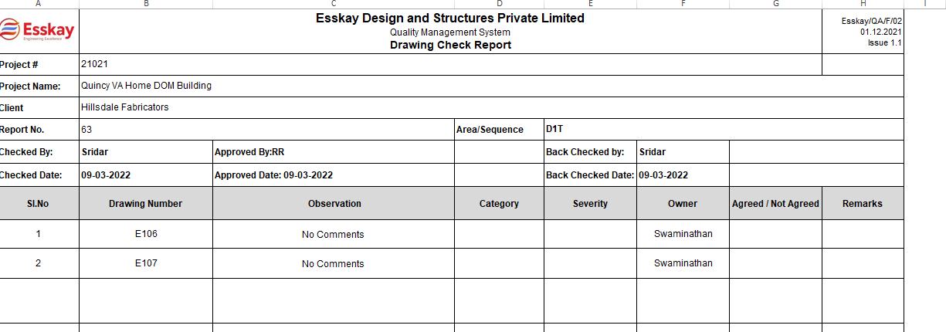
7 | SKS060 | P. Sridar | Sr.Checker
8 | SKS065 | N. Nambirajan | Sr.Checker
9 | SKS073 | K. Dhasarathan | Admin Jr. Executive
10 | SKS075 | M. Mahendran | Checker
11 | SKS083 | K. Arunpandiyan | Jr. Modeller
12 | SKS085 | S. Sathishkumar | Jr. Modeller
13 | SKS095 | S. Jagadesh | Modeller
14 | SKS098 | R. Vivek | Sr.Checker
15 | SKS109 | K. Nithya | Sr. Modeller
16 | SKS110 | N. Manikandan | Checker
17 | SKS117 | S. Manikandan | Jr. Modeller
18 | SKS122 | R. Vignesh | Jr. Modeller
19 | SKS124 | K. Kathalingam | Checker
20 | SKS127 | P. Dhivakar | Jr. Modeller
21 | SKS128 | S. Azhagu Raja | Jr. Modeller
22 | SKS131 | J. Tamilvanan | Modeller
23 | SKS137 | K. Rajarethinam | Team Lead
24 | SKS144 | R. Ramachandran | QA Manager
25 | SKS145 | S. Parthasarathy | Vice President
26 | SKS153 | B. Baskar | Checker
27 | SKS154 | A. Sivanraj | Checker
28 | SKS155 | P. Pradeep | Checker
29 | SKS158 | N. Ajithkumar | Checker
30 | SKS159 | N. Ranganath | Checker
31 | SKS177 | R. Manikandan | Modeller
32 | SKS179 | Batakrushna Sahoo | Office Assistant
33 | SKS184 | V. Jesintha Rani | Jr. Checker
34 | SKS186 | T. Thanaraj | Modeller
35 | SKS188 | P. Vishvaraj | Jr. Checker
36 | SKS193 | K. Sukumaran | Modeller
37 | SKS196 | A.Kavas | Checker
38 | SKS202 | B. Sivakumar | Detailer
39 | SKS203 | C. Mohan | Jr. Detailer
40 | SKS204 | M. Karthikeyan | Jr. Checker
41 | SKS219 | D. Varshitha | Jr. Checker
42 | SKS221 | A. Deepan | Jr. Checker
43 | SKS245 | M.Raghu | Team Lead
44 | SKS246 | B.N.Sathish Kumar | Branch Head Chennai
45 | SKS247 | V.Sarathkumar | Jr. Checker
46 | SKS248 | M.Vinothkumar | Modeller
47 | SKS249 | R.Mahendiran | Checker
48 | SKS251 | M.Raguraman | Project Engineer
49 | SKS252 | K.Karthick | Detailer
50 | SKS253 | R.Anbazhagan | Modeller
51 | SKS254 | A.Kathar Batsha | Modeller
52 | SKS255 | R.Naveen Kumar | Jr. Modeller
53 | SKS260 | M.Soundharapandian | Detailer
54 | SKS262 | K.ANANDA GANESH | Manager (Engineering)
55 | SKS265 | N.Dhanasekar | Checker
56 | SKS266 | S.Saranraj | Sr. Modeller
57 | SKS267 | B.Vivek | Sr. Detailer
58 | SKS268 | K.Jeevanandam | Sr.Checker
59 | SKS269 | M.Ulaganathan | Manager(Project Planning)
60 | SKS271 | M.Mathavan | Sr.Checker
61 | SKS275 | SARANYA S | Estimator
62 | SKS279 | S.Naveen Raj | HR Executive
63 | SKS280 | R.Rajesh | Asst. Project Manager
64 | SKS281 | K.S.Harisankaran | Project Manager
65 | SKS287 | C.Shando Jose Leen | Senior TEKLA Administrator
66 | SKS288 | S.Vignesh | Sr. Detailer
67 | SKS291 | D.Praveen Kumar | Sr. Detailer
68 | SKS293 | T.Swaminathan | Sr. Detailer
69 | SKS296 | J.K.Reavanth | Jr. Checker
70 | SKS300 | D.Keerthana | Document Controller
71 | SKS305 | V.Vinayagam | Sr.Checker
72 | SKS311 | K.Vinothkumar | Modeller
73 | SKS312 | M.Periya Pandi | Sr. Detailer
74 | SKS313 | K.Sakthivel | Jr. Checker
75 | SKS314 | M.Vasantha Priya | Jr. Modeller
76 | SKS319 | L.P.Valliammai | Checker
77 | SKS321 | V.Shalini | Junior Planning Engineer
78 | SKS322 | B.Sherly Winifred | Sr. Detailer
79 | SKS324 | K.Sreela | Sr.Checker
80 | SKS327 | M.Mathew | Trainee Detailer
81 | SKS330A | D.Hariharan | Trainee Detailer
82 | SKS331A | J.Saraswathi | Trainee Detailer
83 | SKS357 | R. Aswin Kumar | Trainee Detailer
84 | SKS360 | P.Vijaya Kumar | Sr. Project Manager
85 | SKS361 | Rekha D | Document Controller
86 | SKS366 | Mahasree M | Junior Checker
87 | SKS367 | Banupriya S | Junior Checker
88 | SKS368 | Kannan G | Junior Detailer
89 | SKS369A | Sheik Ibrahim | DET
90 | SKS370 | Rishi Krishna K | Junior Detailer
91 | SKS371 | Sathish kumar R | Senior checker
92 | SKS373 | Viswanathan G | Junior Detailer
93 | SKS375 | Jagadish Kumar M | Senior Detailer
94 | SKS377 | Mohamed Sifan KM | Modeler
95 | SKS383 | Somasundaram S | Senior checker
96 | SKS384 | Sakthi siva P | Modeler
97 | SKS386 | Rajesh R | Junior Checker
98 | SKS393 | V. Mariraj | Senior Modeler
99 | SKS395 | Bavithra. R | Design Engineer
100 | SKS399 | VIGNESH. M | Detailer
101 | SKS400 | ARUNRAJ | Trainee Detailer
102 | SKS401 | Thanigaivel P | Senior checker
103 | SKS403 | MANIKANDAN. J | Junior Detailer
104 | SKS408 | DHANUSH RAO | Detailer
105 | SKS409 | John Irudayaraj. P | Modeler
106 | SKS413 | Ambeth Alvin.S | Software Development Engineer
107 | SKS415 | Ganesan.P | Tekla Detailer
108 | SKS416 | Pavithran.T | Junior Modeler
109 | SKS417 | A.M. Revathi | Senior Detailer
110 | SKS418 | A.M. Monika | Document Controller

